Sheet1
Index | Analog | Smiles | Num Rings | Num Rotatable Bonds | Num Lipinski HB Donor | Num Lipinski HB Acceptor | Mol Wt | LogP | Topological Polar SA | Synthetic Accessibility | Plasma Protein Binding 75%+ | Blood Brain Barrier | Human Intestinal Absorption | Caco-2 Permeability (logPapp) | BCRP Inhibitor | OCT2 inhibitor | Pgp Inhibitors | Block Bile Salt Export Pump | Inhibitors of Cytochrome P450 1A2 | Inhibitors of Cytochrome P450 2C19 | Inhibitors/Substrates of Cytochrome P450 2C9 | Inhibitors/Substrates of Cytochrome P450 3A4 | Activators of Cytochrome P450 3A4 | Inhibitors/Substrates of Cytochrome P450 2D6 | Substrates of Cytochrome P450 2C19 | Activators of Cytochrome P450 2A9 | Acute Oral Toxicity (Mouse, LD50 < 300mg/kg) | Acute Oral Toxicity (Mouse, LD50 < 50mg/kg) | Acute Oral Toxicity (Mouse, LD50 < 5mg/kg) | Acute Oral Toxicity (Rat, LD50 < 300mg/kg) | Acute Oral Toxicity (Rat, LD50 < 50mg/kg) | Acute Oral Toxicity (Rat, LD50 < 5mg/kg) | Activator Alzheimer's amyloid precursor | myocardial damage | Mutagenicity | Induce Phospholipidosis | Carcinogenic Potency (Salmonella Mutagenicity) | Carcinogenic Potency (Mouse) | Cytotoxicity in HEK293 cells - 32 hour | Cytotoxicity in HepG2 cells - 32 hour | Induce genotoxicity in human embryonic kidney cells | Activators of the human pregnane X receptor (PXR) signaling pathway | Differential cytotoxicity (isogenic chicken DT40 cell lines) | Drug Induced Liver Injury | Eye Corrosion | Eye Irritation | Fish Tox (high risk) | hERG Blockers | Mitochondrial Toxicity | Skin Sensitization
000 | 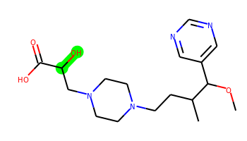 | COC(c1cncnc1)C(C)CCN1CCN(CC(O)C(=O)O)CC1 | 2 | 9 | 2 | 8 | 352.211 | 0.253 | 99.02 | 3.718 | No | No | No | -5.203 | No | No | No | No | No | No | No | No | No | No | No | No | No | No | No | No | No | No | No | No | No | No | No | No | No | No | No | Yes | No | No | No | No | No | No | No | No
001 | 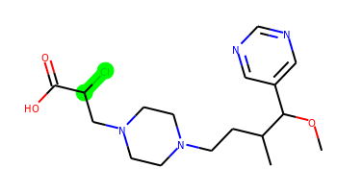 | COC(c1cncnc1)C(C)CCN1CCN(CC(Cl)C(=O)O)CC1 | 2 | 9 | 1 | 7 | 370.177 | 1.5 | 78.79 | 3.834 | Yes | No | Yes | -4.853 | No | Yes | No | Yes | No | No | No | No | No | No | No | No | No | No | No | No | No | No | No | No | No | No | No | No | No | No | No | Yes | No | Yes | No | No | No | No | No | No
002 | 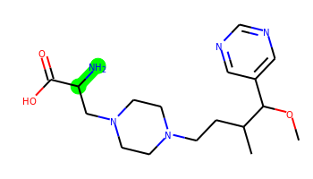 | COC(c1cncnc1)C(C)CCN1CCN(CC(N)C(=O)O)CC1 | 2 | 9 | 3 | 8 | 351.227 | 0.22 | 104.81 | 3.656 | No | No | No | -5.197 | No | No | No | No | No | No | No | No | No | No | No | No | No | No | No | No | No | No | No | No | No | No | No | No | No | No | No | Yes | No | No | No | No | No | No | No | No
003 |  | COC(c1cncnc1)C(C)CCN1CCN(CC(Br)C(=O)O)CC1 | 2 | 9 | 1 | 7 | 414.127 | 1.656 | 78.79 | 3.848 | Yes | No | Yes | -4.896 | No | Yes | No | Yes | No | No | No | No | No | No | No | No | No | No | No | No | No | No | No | No | No | No | No | No | No | No | No | Yes | No | No | No | No | No | No | No | No
004 | 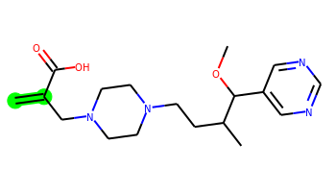 | C=C(CN1CCN(CCC(C)C(OC)c2cncnc2)CC1)C(=O)O | 2 | 9 | 1 | 7 | 348.216 | 1.449 | 78.79 | 3.558 | No | Yes | Yes | -5.004 | No | Yes | No | No | No | No | No | No | No | No | No | No | No | No | No | No | No | No | No | No | No | No | No | No | No | No | No | Yes | No | No | No | No | No | No | No | No
005 |  | COC(c1cncnc1)C(C)CCN1CCN(CC(F)C(=O)O)CC1 | 2 | 9 | 1 | 7 | 354.207 | 1.231 | 78.79 | 3.83 | No | No | Yes | -4.824 | No | No | No | No | No | No | No | No | No | No | No | No | No | No | No | No | No | No | No | No | No | No | No | No | No | No | No | Yes | No | Yes | No | No | No | No | No | No
006 | 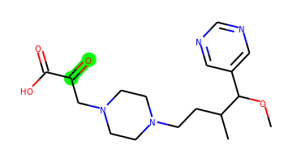 | COC(c1cncnc1)C(C)CCN1CCN(CC(=O)C(=O)O)CC1 | 2 | 9 | 1 | 8 | 350.195 | 0.462 | 95.86 | 3.515 | No | No | No | -5.135 | No | No | No | No | No | No | No | No | No | No | No | No | No | No | No | No | No | No | No | No | No | No | No | No | No | No | No | Yes | No | Yes | No | No | No | No | No | No
007 | 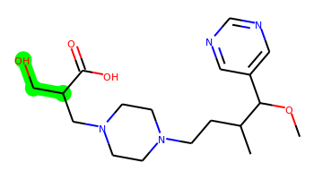 | COC(c1cncnc1)C(C)CCN1CCN(CC(CO)C(=O)O)CC1 | 2 | 10 | 2 | 8 | 366.227 | 0.501 | 99.02 | 3.76 | No | No | No | -5.203 | No | No | No | No | No | No | No | No | No | No | No | No | No | No | No | No | No | No | No | No | No | No | No | No | No | No | No | Yes | No | No | No | No | No | No | No | No
008 | 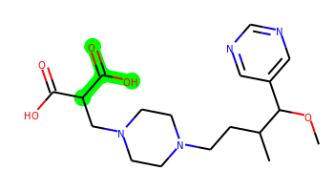 | COC(c1cncnc1)C(C)CCN1CCN(CC(C(=O)O)C(=O)O)CC1 | 2 | 10 | 2 | 9 | 380.206 | 0.593 | 116.09 | 3.609 | No | No | No | -5.283 | No | No | No | No | No | No | No | No | No | No | No | No | No | No | No | No | No | No | No | No | No | No | No | No | No | No | No | Yes | No | No | No | No | No | No | No | No
009 | 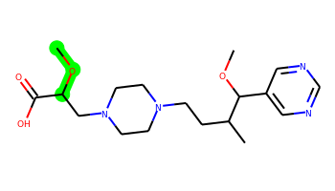 | COC(CN1CCN(CCC(C)C(OC)c2cncnc2)CC1)C(=O)O | 2 | 10 | 1 | 8 | 366.227 | 0.908 | 88.02 | 3.764 | No | No | No | -5.066 | No | No | No | No | No | No | No | No | No | No | No | No | No | No | No | No | No | No | No | No | No | No | No | No | No | No | No | Yes | No | No | No | No | No | No | No | No
010 | 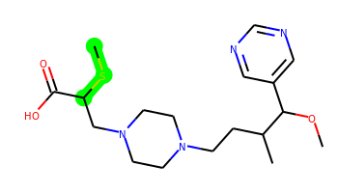 | COC(c1cncnc1)C(C)CCN1CCN(CC(SC)C(=O)O)CC1 | 2 | 10 | 1 | 7 | 382.204 | 1.624 | 78.79 | 3.873 | Yes | No | No | -5.066 | No | No | No | Yes | No | No | No | No | No | No | No | No | No | No | No | No | No | No | No | No | No | No | No | No | No | No | No | Yes | No | Yes | No | No | No | No | No | No
011 | 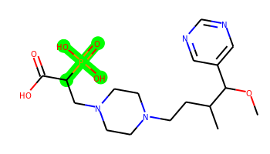 | COC(c1cncnc1)C(C)CCN1CCN(CC(C(=O)O)P(=O)(O)O)CC1 | 2 | 10 | 3 | 10 | 416.182 | 0.439 | 136.32 | 4.002 | No | No | No | -5.906 | No | No | No | No | No | No | No | No | No | No | No | No | No | No | No | No | No | No | No | No | No | No | No | No | No | No | No | Yes | No | No | No | No | No | No | No | No

